NOTES
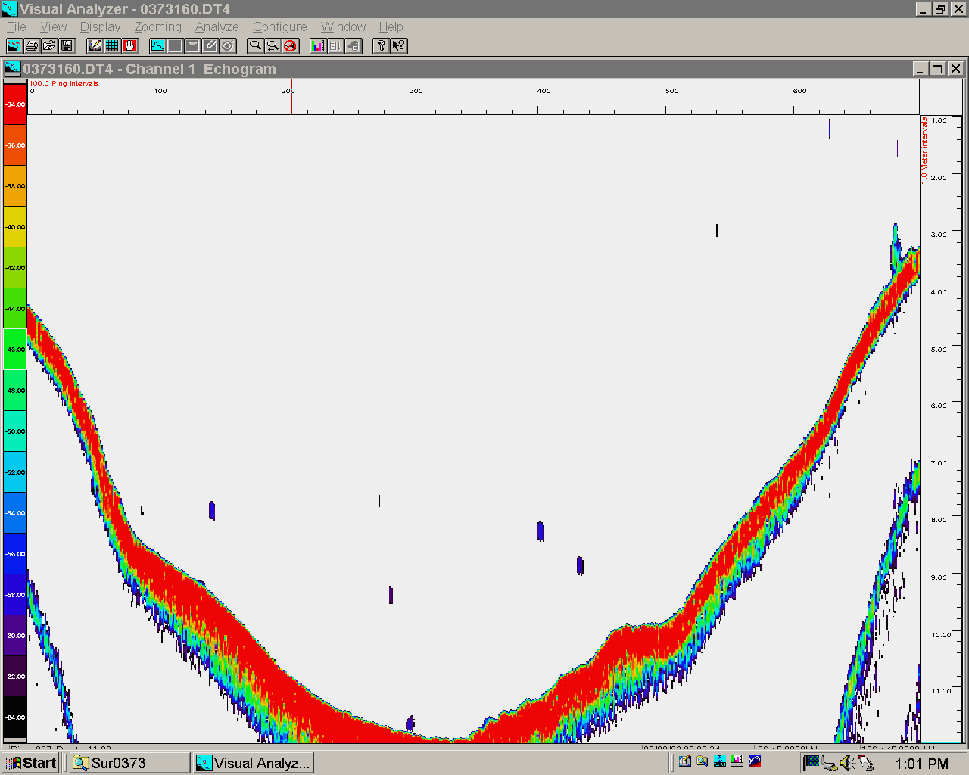
Fred Wright Lake
2012 survey design
Surveyed on 08-09 July 2021

Used volumes from pivot table created with Transcon Poly worksheets
Worksheet based on Swan Lake 2010 NTG

Tr2

Fish distibutedthroughout the water column. Density low-moderate
Sockeye layer 2m-bottom
Replace high and low sigma values from small sample sizes with more realistic values from adjacent strata.

Tr 3

Fish scattered below 6m with most fish along the bottom or below24m. Density low-medium.
Sockeye layer 6m-40m

Tr 4

Fish distibuted 6m-bottom. Density low-moderate
Sockeye layer 6m-bottom

Tr 5

No Data - Use data from tr 4 to estimate densites

Tr 6

This transects max depth only went to ~5m. We expected 24m+. Vertually no fish present
Sockeye layer 4m-bottom
Replace high and low sigma values from small sample sizes with more realistic values from adjacent strata.

Tr 7

Fish distibuted 6m-bottom with a hint of a layer around 6m and most fish 16m-bottom. Density low-moderate
Sockeye layer 6m-bottom

Tr 8

Fish distibuted 8m-bottom with a hint of a layer around 6m and most fish 14m-bottom. Density low-moderate
Sockeye layer 6m-bottom
Replace high and low sigma values from small sample sizes with more realistic values from adjacent strata.

Tr 9

Fish distibuted 6m-bottom . Density low.
Sockeye layer 6m-52m
Replace high and low sigma values from small sample sizes with more realistic values from adjacent strata.

Tr 10

Fish distibuted 6m-bottom . Density low.
Sockeye layer 6m-52m
Replace high and low sigma values from small sample sizes with more realistic values from adjacent strata.

Tr 11

Fish distibuted 6m-bottom . Density low-moderate.
Sockeye layer 6m-52m
Replace high and low sigma values from small sample sizes with more realistic values from adjacent strata.

Tr 12

Not used in Population estimate - a small relatively shallow bay and it doesn't appear to be used by sockeye.
Very few fish, TS indicates most are larger than sockeye fry size.
layer 6m-10m
Replace high and low sigma values from small sample sizes with more realistic values from adjacent strata.

Tr 13

Not used in Population estimate - a small, very shallow bay and it is doubtful sockeye habitat .
Very few fish detected.
layer 2-4m

Tr 14

Very few fish. Possible fish targets right next to the bottom, but difficult to say for sure…..rocks, debris or fish…..they fall below bottom line in this analysis
Sockeye layer 4m-6m
Replace high and low sigma values from small sample sizes with more realistic values from adjacent strata.

Tr 15

most fish 4m-bottom. Possible fish targets right next to the bottom, but difficult to say for sure…..rocks, debris or fish…..some fall below bottom line in this analysis
Sockeye layer 2m-8m

Tr 16

Short transect, this section of bear lake almost river like.
most fish 7m-bottom. Low density
Sockeye layer 2m-8m
Replace high and low sigma values from small sample sizes with more realistic values from adjacent strata.

